DAQ wiring
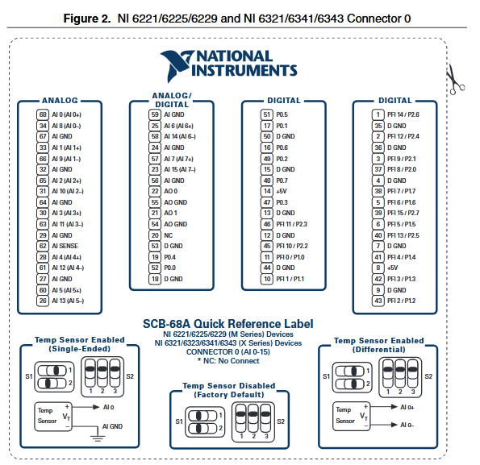
Model: 6343
Connector 0
Port # | Channel Number | Port type
 |  | Analog In (16) | Sensor type | Sensor location | Corresponding pin | Wire color (before opamp -> after opamp)
68 (AI 0) |  | -10 to 10V | pressure transducers, 4-20mA | PTO, p_b (PT-02) |  | grn -> grn
34 (AI 8) |  | faulty
33 (AI 1) |  | -10 to 10V |  | PTO, p_h (PT-04) |  | blu -> orng
66 (AI 9) |  | -10 to 10V |  | PTO, p_l (PT-03) |  | orng -> wt/orng
65 (AI 2) |  | -10 to 10V |  | H1T A/C port (PT-06) |  | na -> blu
31 (AI 10) |  | -10 to 10V |  | PTO, p_ro (PT-05) |  | grn -> wt/blu
63 (AI 11) |  | -10 to 10V |  | H1T B/D port (PT-07) |  | na -> wt/brn
23 (AI 15) |  | -10 to 10V |  | PTO, p_a (PT-01) |  | blu -> wt/grn

26 (AI 13) |  | -10 to 10V | flow rate, 4-20mA | permeate stream |  | wt/orng -> wt/orng
61 (AI 12) |  | "" | "" | brine stream |  | wt/bwn -> wt/grn
60 (AI 5) |  | -10 to 10V | temperature, 4-20mA | permeate stream |  | org -> org
28 (AI 4) |  | " | " | brine stream |  | brn -> grn
 |  |  | conductivity | charge pump intake |  | wt -> wt/org
25 (AI 6) |  |  |  | brine stream
58 (AI 14)

57 (AI 7) |  |  | position | WEC simulator actuator

 |  | Analog Out (2)
22 (AO 0) | 1 |  | VFD freq. ref. | ERU | A1 | grn
21 (AO 1) |  |  | VFD freq. ref. | generator | A1 | grn
 |  | Digital In
 |  |  | VFD, fault output | charge pump
 |  |  | VFD, fault output | ERU
 |  |  | VFD, fault output | generator | M1-M2
 |  |  | VFD, fault output | Drive ready | M3-M4

 |  | PWM out (4)
1 (PFI 14) |  |  | PWM, displacement control solinoid 1, 100Hz |  |  | pink
2 (PFI 12) |  |  | PWM, displacement control solinoid 2, 100Hz |  |  | light green

 |  | Digital out
19 (P0.4) |  |  | VFD, run/stop | generator | S1 | blu
52 (P0.0) |  |  | VFD, forward/reverse | generator | S2 | blu/wt
45 (PFI 10/P2.2) |  |  | VFD, fault reset | generator | S3 | orange
11 (P1.0) |  |  |  | generator | S4 | orange/wt
47 (P0.3) | 4 |  | VFD, run/stop | ERU | S1 | blu
46 (PFI 11/P2.3) | 19 |  | VFD, forward/reverse | ERU | S2 | blu/wt

51 (P0.5) |  |  | H1T displacement control, direction | pump 1 |  | red
17 (P0.1) |  |  | H1T displacement control, direction | pump 2 |  | green

16 (P0.6)
49 (P0.2)

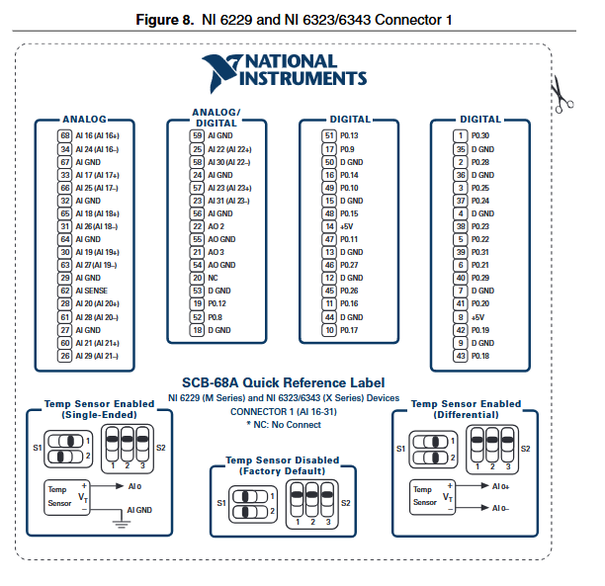
Model: 6343
Connector 1
Port # |  | Port type
 |  | Analog In (16) | Sensor type | Sensor location
 |  |  | position | WEC simulator actuator
 |  |  | power transducer | 208 3-phase outlet
 |  |  | Output Power, 4-20mA | charge pump | AM | blu/wt
 |  |  | Output Power, 4-20mA | generator | AM | orange/wt
 |  |  | Output Power, 4-20mA | charge pump | AM | blu/wt
 |  |  | nc
 |  |  | nc
 |  |  | nc
 |  |  | nc
 |  |  | nc
 |  |  | nc
 |  |  | nc
 |  |  | nc
 |  |  | nc
 |  |  | nc
 |  |  | nc
 |  | Analog Out (2)
22 (AO 2)
21 (AO 3) | 4 |  | VFD freq. ref. | charge pump | A1 | grn
 |  | PWM out (4)

 |  | Digital out
19 (P0.12) | 13 |  | VFD, run/stop | charge pump | S1 | blu
52 (P0.8) | 9 |  | VFD, forward/reverse | charge pump | S2 | blu/wt

PT calibration
Pa per psi | 0.0001450377
0-3000psi |  |  | measurement (-volts) |  | 0-1500psi |  |  | measurement (-volts) |  |  |  | 0-200psi |  |  | measurement (-volts)
Scale | Weight/Pressure (PSI) | Pressure (Pa) | PT-06 (volts) | PT-07 (volts) | Scale | Weight/Pressure (PSI) | Pressure (Pa) | PT-01 (volts) | PT-02 (volts) | PT-04 (volts) | PT-05 (volts) | Scale | Weight/Pressure (PSI) | Pressure (Pa) | PT-03 (volts)
H | 125 | 861844.8858 | -2.0655 | -2.079 | H | 125 | 861844.8858 | -2.5666 | -2.4729 | -2.5177 | -2.4915 | L | 5 | 34473.79543 | -2.038
 | 225 | 1551320.795 | -2.2161 | -2.2282 |  | 225 | 1551320.795 | -3.036 | -2.964 | -3.0177 | -2.9901 |  | 25 | 172368.9772 | -2.7769
 | 325 | 2240796.703 | -2.3674 | -2.3766 |  | 325 | 2240796.703 | -3.5269 | -3.454 | -3.519 | -3.4873 |  | 45 | 310264.1589 | -3.5191
 | 425 | 2930272.612 | -2.5185 | -2.535 |  | 425 | 2930272.612 | -4.0174 | -3.9451 | -4.0203 | -3.9851 |  | 65 | 448159.3406 | -4.2597
 | 525 | 3619748.521 | -2.6696 | -2.6843 |  | 525 | 3619748.521 | -4.5078 | -4.4358 | -4.523 | -4.4807 |  | 85 | 586054.5224 | -4.9963
 | 625 | 4309224.429 | -2.8205 | -2.8339 |  | 625 | 4309224.429 | -4.9962 | -4.9257 | -5.0246 | -4.9791 |  | 105 | 723949.7041 | -5.7312
 | 725 | 4998700.338 | -2.971 | -2.983 |  | 725 | 4998700.338 | -5.4846 | -5.4156 | -5.528 | -5.4748 |  | 125 | 861844.8858 | -6.4626
 | 825 | 5688176.247 | -3.1221 | -3.1323 |  | 825 | 5688176.247 | -5.9715 | -5.9048 | -6.0272 | -5.9695 |  | 145 | 999740.0676 | -7.1913
 | 925 | 6377652.155 | -3.2739 | -3.2813 |  | 925 | 6377652.155 | -6.4565 | -6.3941 | -6.5304 | -6.4605 |  | 165 | 1137635.249 | -7.9157
 | 1025 | 7067128.064 | -3.4243 | -3.4305 |  | 1025 | 7067128.064 | -6.9408 | -6.8812 | -7.0318 | -6.9534 |  | 185 | 1275530.431 | -8.6367
 | 1125 | 7756603.973 | -3.5757 | -3.5791 |  | 1125 | 7756603.973 | -7.4232 | -7.3695 | -7.5325 | -7.4428 |  | 205 | 1413425.613 | -9.3553
 | 1225 | 8446079.881 | -3.7263 | -3.7281 |  | 1225 | 8446079.881 | -7.9044 | -7.8557 | -8.0361 | -7.932
 | 1325 | 9135555.79 | -3.8781 | -3.8766 |  | 1325 | 9135555.79 | -8.3836 | -8.3397 | -8.5381 | -8.4212
 | 1425 | 9825031.699 | -4.0287 | -4.0256 |  | 1425 | 9825031.699 | -8.8615 | -8.8256 | -9.0384 | -8.9064
 | 1525 | 10514507.61 | -4.1794 | -4.1743 |  | 1525 | 10514507.61 | -8.9804 | -9.312 | -9.5368 | -9.1367
 | 1625 | 11203983.52 | -4.3305 | -4.3234
 | 1725 | 11893459.42 | -4.4818 | -4.4714
 | 1825 | 12582935.33 | -4.6328 | -4.62
 | 1925 | 13272411.24 | -4.7847 | -4.7682
 | 2025 | 13961887.15 | -4.936 | -4.9166
 | 2125 | 14651363.06 | -5.087 | -5.0649
 | 2225 | 15340838.97 | -5.2377 | -5.2128
 | 2325 | 16030314.88 | -5.3881 | -5.3606
 | 2425 | 16719790.79 | -5.5407 | -5.5084
 | 2525 | 17409266.69 | -5.6896 | -5.6568
 | 2625 | 18098742.6 | -5.8403 | -5.8035
 | 2725 | 18788218.51 | -5.9912 | -5.9507
 | 2825 | 19477694.42 | -6.1435 | -6.0997
 | 2925 | 20167170.33 | -6.2954 | -6.2475
 | 3025 | 20856646.24 | -6.4466 | -6.3946

